1. Title Page
[Project Name]

Project Name: Instacart Grocery Basket Analysis
Date: 15.05.2023
Analyst Name: Omar Mohandes

Contents:
Population Flow
Consistency checks
Wrangling steps
Column derivations
Visualizations
Recommendations

2. Population Flow
Title page

Population flow

Exclusion flag
Condition: max_order < 5
Obervations to be removed: 1,440,295
Final total count of order_products_all: 30,964,564

3,421,083
32,434,489
49,693
206,209

49,672
206,209
3,421,083
32,434,489

Orders_products_combined
Orders_products_merged
Orders_products_all

Total:
Total:
32,434,489
32,404,859
Total:
32,404,859

1.) The grey boxes in the first row of the population flow represent the original data sets as they were when you downloaded them. In the Total fields you need to add the count of the rows when you imported the data set into Jupyter.
2.) The second row of boxes (coloured) represents the data sets after you manipulated them, e.g., removed missing values and duplicates. In the Total fields you need to add the count of the rows after conducting these operations. This offers a visual oveview of how the data flows throughout the data consistency checks.
3.) The third row, where also the arrows are coloured, represents the merges you performed between the datasets. In the Total fields you need to add the count of the rows in the merged datasets, so that you end up with the final dataset (in the red box). Keep in mind the final dataset should be without exclusions (based on the exclusion flag).

3. Consistency checks
 |  |  |  | Title page
Consistency checks

Dataset | Missing values | Missing values treatment | Duplicates
orders | orders days since preior orders have a 206209 | We kept the missing valuse because they might be some customers who had started buying from Instacart, which was confirmed later on in the course | No Duplicates has been found
products | The products name consist of 16 missing values | We dropped the missing columns | There are 5 duplicated values
 | The price column had two outliers which is 99999 and 14900 | We have dropped these outlieres
orders_products_prior | No missing values has been found | - | No Duplicates has been found
customers | 11259 Missing fist names values has been found | we deleted the cistomers details due to confidentiality | No Duplicates has been found

4. Wrangling steps
 |  |  |  | Title page
Wrangling steps

Columns dropped | Columns renamed | Columns' type changed | Comment/Reason
First name from customer.csv |  |  | we deleted the cistomers details due to confidentiality
Surname from customers.csv
 | order_dow to be orders_day_of_week |  | To get a better idea what information the colomuns contains
 |  | The type of order_id and user_id has been changed to be string | that doesn’t need to be included in analysis as a numeric variable

5. Column derivations
 |  |  |  | Title page

Column derivations and aggregations

Dataset | New column | Column/s it was derived from | Conditions
orders_products_merged.pkl | price_range_loc | Prices | High range: price>15
 |  |  | mid range: 5<price<=15
 |  |  | low range: price<=5
df_ords_prods_merge.pkl | busiest_days | orders_day_of_the_week | 0 = 'Busiest day'
 |  |  | 4 = 'Least busy'
 |  |  | else: 'Rregular day
df_ords_prods_merge.pkl | busiest_period_of_day | order_hour_of_day | Fewest orders
 |  |  | Average orders
 |  |  | Most orders
df_ords_prods_merge.pkl | max_order | order_number | Maximum value of order number after grouping by user_id
df_ords_prods_merge.pkl | loyalty_flag | max_order | Creating loyalty flags aggregated by prices
df_ords_prods_merge.pkl | avg_price | Prices | Max number of order number after grouping by user_id
df_ords_prods_merge.pkl | spending_flag | Prices | High Spender
 |  |  | Low Spende
df_ords_prods_merge.pkl | days_order | days_since_prior_order | Getting the median of days_since_prior_order based on user ID
df_ords_prods_merge.pkl | frequent_flag | days_order | Frequent customer
 |  |  | Regular customer
 |  |  | Non-frequent customer
customer_merged.pkl | age_flag | Age | Senior
 |  |  | Middle Age
 |  |  | Young
customer_merged.pkl | income_flag | Income | High income
 |  |  | Middle income
 |  |  | Low income
customer_merged.pkl | vegan_flag | Customers | Vegan
 |  |  | Non-Vegan

6. Visualizations
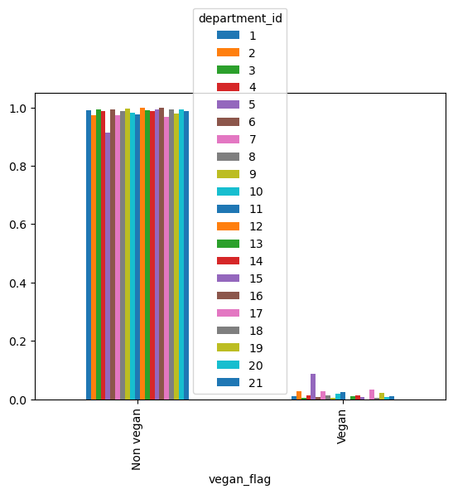
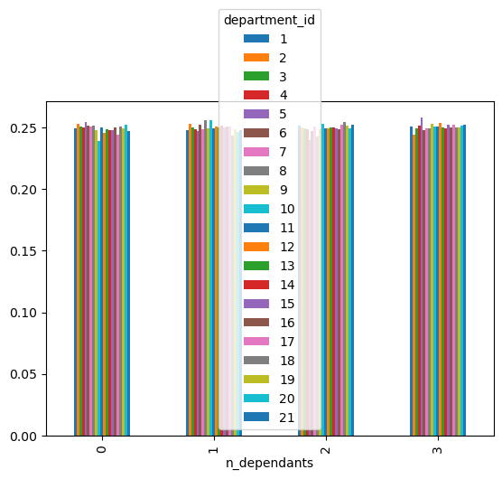
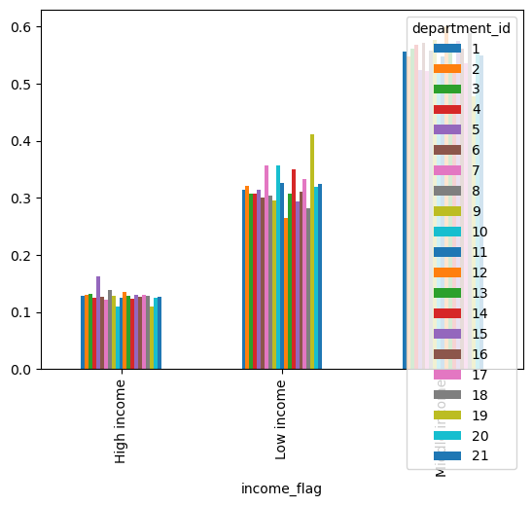
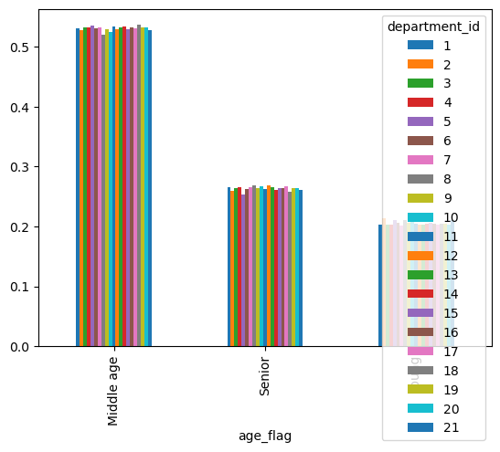
 |  | Title page

Visualisations

In this tab you should include all the visualtions from Exercises 4.9 and 4.10, alongside the questions from the project brief that they answer. Include any commentary on the relationship between different variables.

The sales team needs to know what the busiest days of the week and hours of the day are (i.e., the days and times with the most orders) in order to schedule ads at times when there are fewer orders.

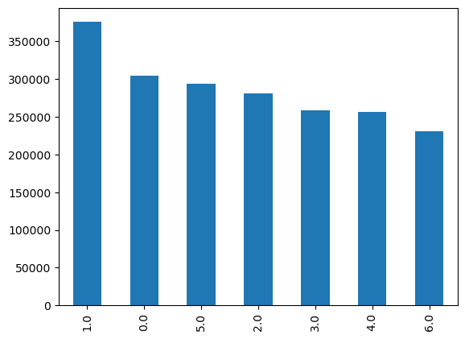
 | What days had the most orders
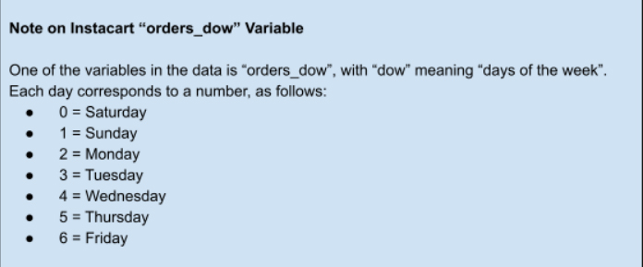

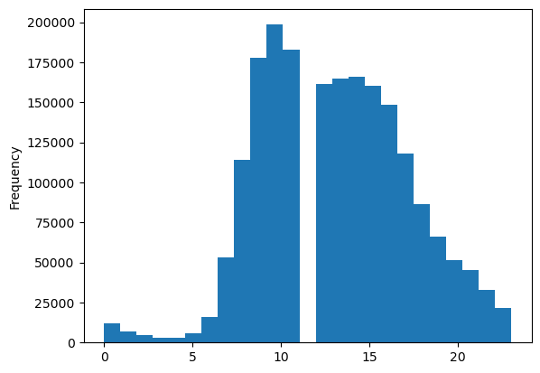

They also want to know whether there are particular times of the day when people spend the most money, as this might inform the type of products they advertise at these times.

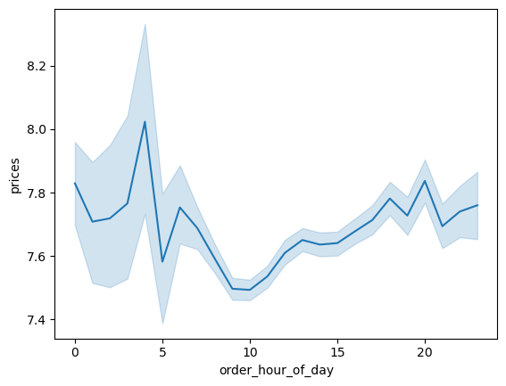

Are there certain types of products that are more popular than others? The marketing and sales teams want to know which departments have the highest frequency of product orders.

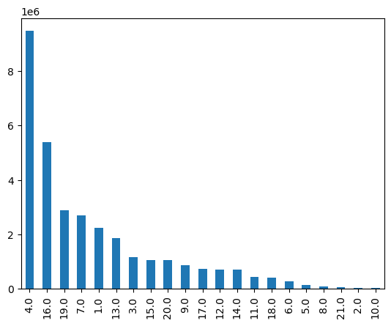

 | {'1': {'department': 'frozen'}, '2': {'department': 'other'}, '3': {'department': 'bakery'}, '4': {'department': 'produce'}, '5': {'department': 'alcohol'}, '6': {'department': 'international'}, '7': {'department': 'beverages'}, '8': {'department': 'pets'}, '9': {'department': 'dry goods pasta'}, '10': {'department': 'bulk'}, '11': {'department': 'personal care'}, '12': {'department': 'meat seafood'}, '13': {'department': 'pantry'}, '14': {'department': 'breakfast'}, '15': {'department': 'canned goods'}, '16': {'department': 'dairy eggs'}, '17': {'department': 'household'}, '18': {'department': 'babies'}, '19': {'department': 'snacks'}, '20': {'department': 'deli'}, '21': {'department': 'missing'}}

What’s the distribution among users in regards to their brand loyalty (i.e., how often do they return to Instacart)?

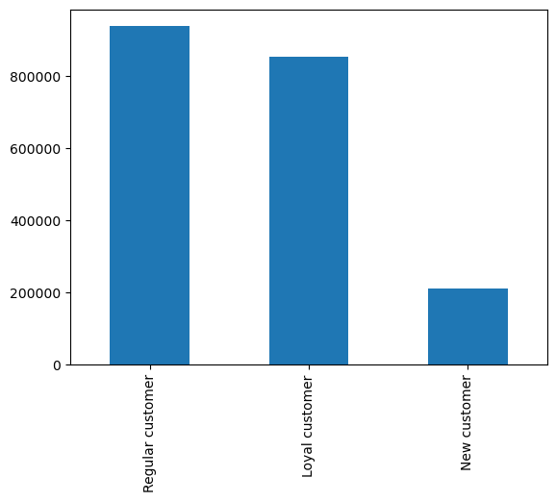

Are there differences in ordering habits based on a customer’s loyalty status?

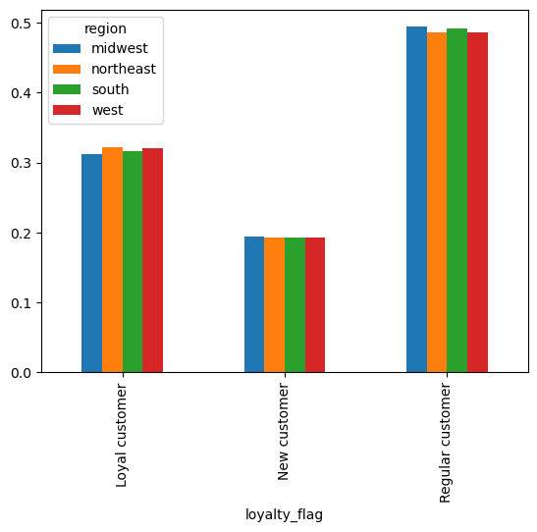

Are there differences in ordering habits based on a customer’s region

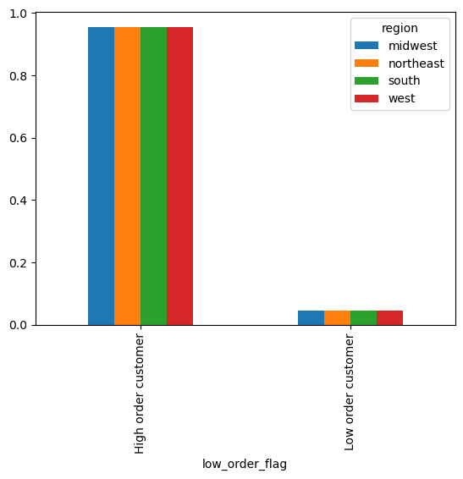

Is there a connection between age and family status in terms of ordering habits?

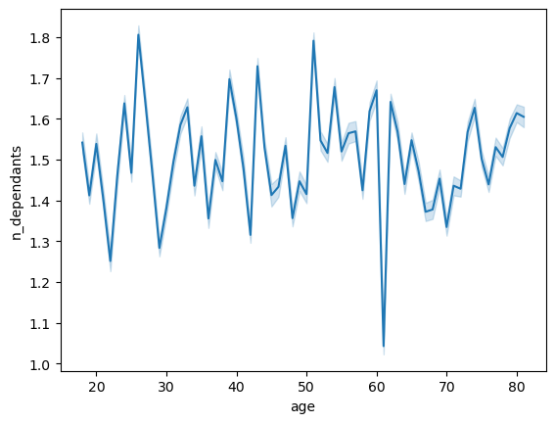

What different classifications does the demographic information suggest? Age? Income? Certain types of goods? Family status?

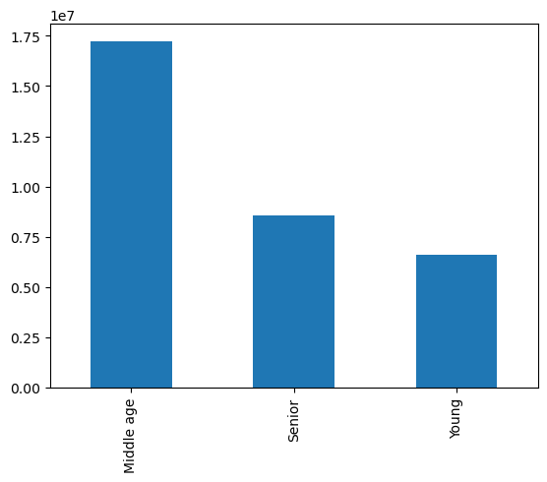
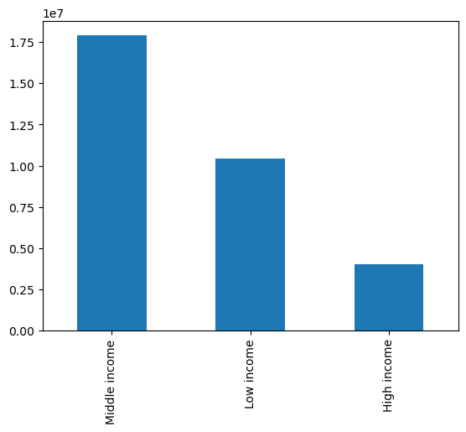
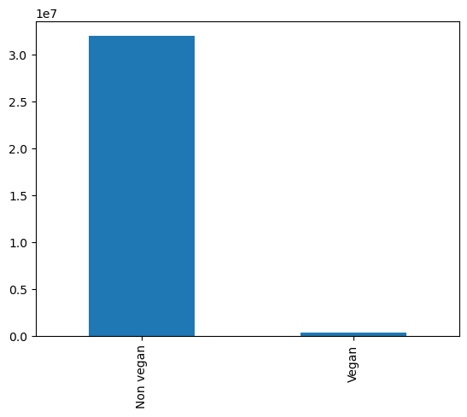
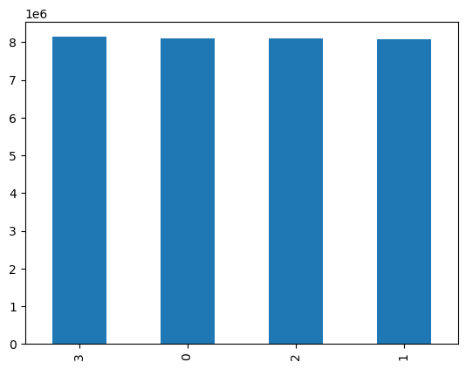

What differences can you find in ordering habits of different customer profiles? Consider the price of orders, the frequency of orders, the products customers are ordering, and anything else you can think of

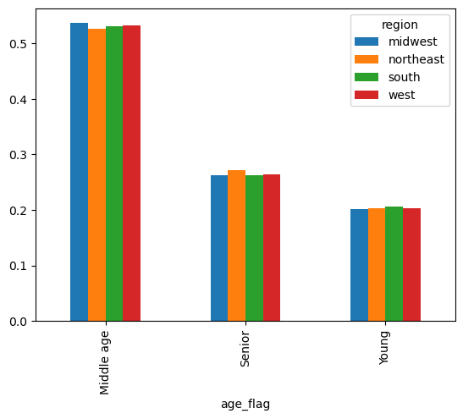
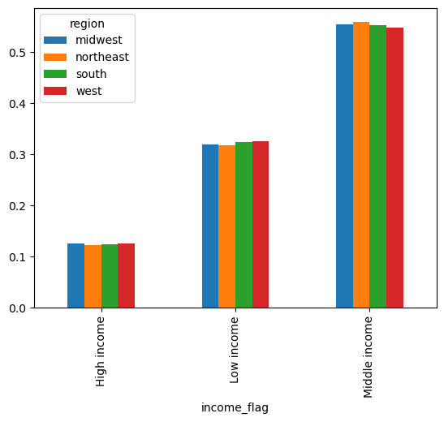
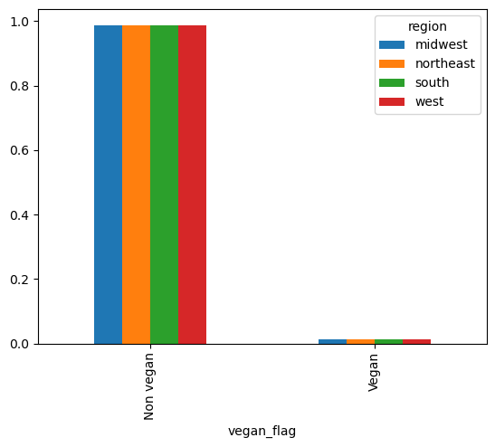
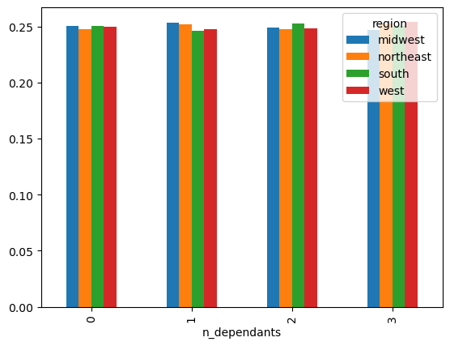

Visuals based on department ID

7. Recommendations
 |  | Title page

Recommendations

In this tab you should include any recommendations you would made to Instcart in terms of their marketing strategy based on the questions posed in the brief. Every key question has been covered in the Tasks of the Exercises - here you need to add an item - a visualisation or table/crosstable that is showing the answer in the data, acompanied by a comment from you. Please, list the questions below and add the answer underneath.

Question | Answer

Key Question 1 | The weekends are the busiest days specially on Sunday’s people are buying more as compared to other days. People are buying more in the morning time i.e. 9-10 If Instacart want to schedule the ads at times when there are fewer orders, the ideal time is Friday at 3 AM, but at this time that there is a possibility that very less people would see those ads so the feasible time when they can schedule the ads is at 3pm

Key Question 2 | The people are buying more at 4 am. I would suggest Instacart to trigger most of the ads early in the morning as most of the people are buying early during the day

Key Question 3 | The type of products Produce is on high demand It is necessary to increase the sales of Instacart, so they need to provide ads to department is 4, 16 and 19

Key Question 4 | They should focus on regular customers, the opportunity to return to Instacart is high They must do some more exploration to determine what turns a new customer into a regular customer

Key Question 5 | Regular customers are more in Midwest as compared to any other region. Mostly the people are more likely to be a regular customer from Midwest

Key Question 6 | Age and family status are not enough to find the proper relationship neither they have any effects on categories which shows that they are either spending more or less Instacart need to have some more variables to understand their costumer behavior

Key Question 7 | After Analyzing data, based on region age and income I did not notice any trend the only major trend was based on the diet preferences while there are some differences in the products that vegan people order they do not make as large share in the Instacart customer base even though it might be profitable for Instacart that they may produce the ads based on their diet preferences

